Introduction
MAPC Community Greenhouse Gas Inventory Tool
Community Greenhouse Gas Inventory
This workbook serves to document the calculations associated with the community-wide greenhouse gas inventory completed for the City/Town of _______ for the year of ______. The inventory is designed according to the Global Protocol for Community-Scale Greenhouse Gas Emission Inventories (GPC) and includes raw data, assumptions, and calculations for the City/Town in each of the following GPC emission sectors:
1. Stationary Energy
2. Transportation
3. Waste
In the All Emissions Summary and Multi-year Emissions trend there are tables where communities may enter data from Mass Energy Insight to compare emissions from municipal operations energy use and fleet vehicles with the overall community-wide emissions. The tables are shown in GREEN. Please note, these emissions are included in the community-wide emissions and are not to in addition to the community-wide emissions.
Version 4: April 10, 2020
Created by DNV GL, with support from MAPC Maintained by MAPC

Updating the work for other inventory years
If this workbook is to be used for creating emissions inventories for any year other than 2017, there are several tables where the data is subject to annual or other periodic updates. The supporting data in these tables will need to be updated to reflect the conditions or data from the year of interest.
Below is a list of tables to review and update prior to creating an inventory for another year. Instructions on where to collect this data for alternate years are provided in the "Adjust Inventory Year" section of this workbook.

Tables of supporting data to review and update for inventory years other than 2017
Tab | Table
Emission Factors - All | Table 1: Stationary Fuel Emission Factors Table 3. MA DEP 2016 Massachusetts-based Retail Level Electricity Emission Factor Table 6. List Investor-owned Utilities and % Non-emitting Sales Table 7. Community Choice Aggregation Electricity Emission Factors Table 9. List of Municipal Utilities % Non-emitting Sales Table 11: IPCC AR5 100-Year Global Warming Potentials without Climate-carbon Feedbacks Table 12: Transportation Fuel Emission Factors
Stationary Energy - Buildings | Table 7. Massachusetts Electricity Transmission & Distribution Grid Loss Factor
Transportation - On Road | Table 6: Private On-road Electric Vehicles Fuel Efficiency
Waste - Solid Waste | Table 3: Proportion of Massachusetts In-state Waste Disposed: Landfilled vs. Combusted by Waste Type for 2017
Waste - Wastewater | Table 3: Indirect N2O Emissions From Wastewater Effluent (GPC Equation 8.11) for Communities Served by MWRA WWTP
 | Table 4: Indirect N2O Emissions From Wastewater Effluent and CH4 Generation from Wastewater Treatment for Communities Not Served by MWRA WWTP**
**List of WWTPs with Methane Capture

Inputs
Data Input

Please enter community-specific data below using the instructions provided. Green cells must be updated for the tool to function properly. Blue cells are not applicable to all communities or data may be input by others (i.e. MAPC).
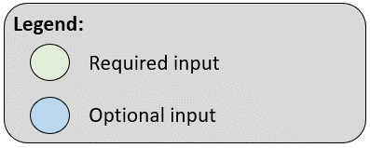
 | Links to Input Tables:
 | Energy Data
 | Transportation Data
 | Waste Data

Select your city or town from the drop down menu: | Abington

Inventory year: | 2017

Energy Data

ELECTRICITY AND NATURAL GAS

Which investor-owned utility or utilities provide(s) electricity in your community? (Use drop down menu to select) | Eversource NSTAR (Eastern MA)
If not served by an investor-owned utility, which municipally-owned utility supplies electricity in your community? (Use drop down menu to select) | Not served by municipal utility

Optional Question Instructions: 1) If your community's electricity is provided by both Eversource & NGRID, please indicate below the estimated percentage of electricity that is provided by each investor-owned utility. Total must add up to 100%. This information will be used to estimate the utility-specific weighted electricity emission factor. 2) If your community's electricity is provided by only one investor-owned utility (either Eversource or NGRID) or is served by a municipal utility, skip this table.
Investor Owned Utility Electricity Service Coverage
Electricity Rate | % of Community Served by Utility
Eversource (Eastern or Western) | 100%
NGRID | 0%

Mandatory Question Instructions: Use the hyperlink to the right to access the "MassSaveData" website. Click on the "Geographic" button in the top right and select "Usage By Month." Use the drop-downs in the top left to select "Electricity" or "Gas" and the appropriate year (2017). Find your community and enter the "Annual" total on the far right for both the "Residential" and "Commercial & Industrial" sectors in the table below. If your community obtains electricity and/or gas through a municipal utility, do not enter that consumption data in this table. See below table for municipal utilities. |  | MassSaveData Source
MassSave Electricity and Natural Gas Consumption Data
Sector | Total Annual Electricity Consumption (MWh / Year) | Annual Natural Gas Consumption (Therms / Year)
Residential:
Commercial & Industrial:
Combined Total: | 0 | 0

Optional Question Instructions: Communities may use this table to enter electricity, natural gas, and heating oil consumption data from MassEnergyInsight. Note that the electricity and natural gas consumption data for municipal operations is also included in the MassSaveData. We break them out here so that communities may track emissions from municipal operations separately. The emissions associated with MassEnergyInsight data do not get added to MassSaveData for building energy consumption, otherwise they will be double counted. To find usage data by fiscal year in MassEnergyInsight, click 'view reports', and then the tab labeled 'use and cost table'. Note that delivered fuels and vehicle fleet may not align if not monthly entries. |  | MassEnergyInsight Data
MassEnergyInsight Municipal Electricity and Natural Gas Consumption Data
 | Total Annual Electricity Consumption (kWh / Year) | Annual Natural Gas Consumption (Therms / Year) | Annual Heating Oil Consumption (Gallons / Year)
Municipal Operations
Service Provider: | IOU | IOU
If municipal facilities are enrolled in the CCA, which program rate are they are subscribed to? | N/A

Optional Question Instructions: 1) If you do have community choice aggregation in your community, contact your community choice aggregation or retail electricity provider to obtain data on the annual electricity consumption for 2017 by rate (e.g. "Traditional", "5% Green", "50% Green", "100% Green") and by sector (e.g. "Residential" and "Commercial & Industrial"). The number of rates will vary from community to community. For example, some communities will have three residential rates while others will have four residential rates. If, for example, your community only has three residential rates, in the "Residential Rate 4" row select "No" in the "Include This Rate in Calculations?" column. For each rate, you will also need to obtain information from your community choice aggregation or retail provider on the percent of "Class I Voluntary RECs" associated with each rate. Enter the appropriate data in the table below. 2) If you do not have community choice aggregation in your community, skip this table.
Community Choice Electricity Consumption Data
Electricity Rate | Include This Rate in Calculations? | Total Annual Electricity Consumption (kWh / Year) | % of Class I Voluntary RECs
Residential Rate 1
Residential Rate 2
Residential Rate 3
Residential Rate 4
Total CCA Residential |  | 0
C&I Rate 1
C&I Rate 2
C&I Rate 3
C&I Rate 4
Total CCA Commercial & Industrial |  | 0
Total CCA Residential, Commercial & Industrial |  | 0

Mandatory Question Instructions: 1) If your electricity or gas is provided by a municipal utility, contact your municipal utility to obtain data on the annual electricity consumption and/or natural gas consumption for 2017 by sector (e.g. "Residential" and "Commercial & Industrial"). Enter the appropriate data in the table below. 2) If you do not have a municipal utility in your community, skip this table.
Municipal Utility Electricity Consumption Data
Sector | Total Annual Electricity Consumption (kWh / Year) | Total Natural Gas Consumption (therms / Year)
Residential | 0 | 0
Commercial & Industrial | 0 | 0
Total | 0 | 0

HEATING OIL

Mandatory Question Instructions: Use the hyperlink to the right to access the Massachusetts Executive office of Labor and Workforce Development (EOLWD) Employment and Wages (ES-202) data. 1) "Select Area Type" drop-down: Select "City or Town" 2) "Select Specific Geogrpahic Area" drop-down: Select your community 3) "Select a Year" drop-down: Select your inventory year 4) "Select the Time Period" drop-down: Select "Annual Report" 5) "Select the Ownership" drop-down: Select "All ownership types" 6) "Select an Industry or Industry Sector" drop-down: Select "Total, All Industries" 7) "Select the Category" option: Select "Category and all sub-categories" 8) Select the link to "Download and save the data as a Comma Separated Value (CSV) File". Open the CSV. 9) Sort Column A ("NAICS") to "Sort smallest to largest" 10) Only include data that has a 3-digit NAICS code in column A. Take data from Column A ("NAICS"), Column C ("No. of Establishments") and column Q ("Average Monthly Employment") for all rows of data with a 3-digit NAICS code and paste it in the table below. The number of NAICS codes in each community will vary considerably. It is very likely that the below table will have blank rows after it is populated with your community's data. |  | EOLWD Source
...

Report Charts
Summary Figures

Percent of Total Community-wide Emissions by Subsector
Residential Buildings | 0.0%
C&I Buildings & Manufacturing Industries | 0.0%
Construction | 0.0%
On-road | 0.0%
Railways | 0.0%
Solid Waste Disposal | 0.0%
Biological Treatment of Waste | 0.0%
Incineration and Open Burning | 0.0%
Wastewater Treatment and Discharge | 0.0%
Community-wide Emissions (MT CO2e) by Sector
Stationary Energy |  | 0
Transportation |  | 0
Waste |  | 0

Percent of Total Building Energy Emissions by Customer Type and Fuel
 | Comm. & Man. Natural Gas | Res. Natural Gas | Comm. & Man. Electricity | Res. Electricity | Res. Fuel Oil | Comm. & Man. Fuel Oil
Emissions (MT CO2e) | 0.0% | 0.0% | 0.0% | 0.0% | 0.0% | 0.0%
Percentage of Building Energy Emissions by Source Energy
Electricity | 0.0%
Natural Gas | 0.0%
Fuel Oil | 0.0%

Percent of Total Community-Wide Emissions by Subsector (with Municipal Emissions Disaggregated)
Residential Buildings | 0.0%
C&I Buildings & Manufacturing Industries | 0.0%
Municipal Buildings | 0.0%
Construction | 0.0%
Passenger Vehicles | 0.0%
Commercial Vehicles | 0.0%
Municipal Vehicles | 0.0%
Public Transportation (Buses, Trolleys, & Railways) | 0.0%
Waste (Landfill, Biological Treatment, & Incineration & Open Burning) | 0.0%
Wastewater Treatment and Discharge | 0.0%

Emission Factors
...
Summary of Methodology Used
Emission factors in terms of carbon dioxide (CO2), methane (CH4) and nitrous oxide (N2O) are summarized on this worksheet. Global warming potentials of methane (CH4) and nitrous oxide (N2O) and common conversion factors are also included on this worksheet. In accordance with the GPC, the most recent global warming potential (GWP) values on a 100-year time horizon from the IPCC 5th Assessment Report are used throughout this report.

Table 1: Stationary Fuel Emission Factors
Fuel Type | kg CO2/MMBTU | MT CO2/Therm | MT CH4/Therm | MT N2O/Therm | Source
Natural Gas* | 53.06 | 0.00530 |  |  | TCR
Fuel Type | kg CO2/MMBTU | MT CO2/MMBTU | MT CH4/MMBTU | MT N2O/MMBTU | Source
Distillate Fuel Oil No. 2. | N/A | 0.07 | 0.0000030 | 0.0000006 | EPA
*CCAR and TCR do not include CH4 or N2O in emissions from natural gas because these emissions are considered to be de minimis
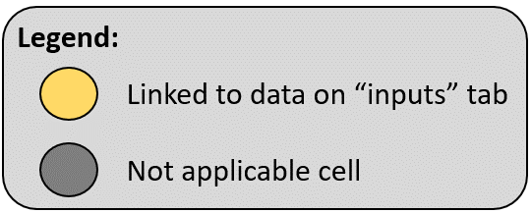
Table 2. Fugitive Emission Factor for Distribution Sector Natural Gas
Description | Data | Source
Volume of Natural Gas per Heat Energy (m3 gas /therm gas) | 2.83 | Universal Conversion
Density of Natural Gas at Standard Temperature and Pressure (kg gas/m3 gas) | 0.7 | GHG Protocol Calculation Tool for Direct Emissions
Mass of Natural Gas per Therm of Natural Gas (kg gas/therm gas) | 1.98 | Calculated
Mass of Natural Gas per Therm of Natural Gas (MT gas/therm gas) | 0.00198 | Calculated
Methane Content in Distribution Sector Natural Gas (%) | 93.4% | Annexes to the Inventory of U.S. GHG Emissions and Sinks (2015)
Carbon Dioxide Content in Distribution Sector Natural Gas (%) | 1.0% | Annexes to the Inventory of U.S. GHG Emissions and Sinks (2015)
Methane Mass per Therm of Natural Gas (MT CH4/therm) | 0.002 | Calculated
Carbon Dioxide Mass per Therm of Natural Gas (MT CO2/therm) | 0.00001981 | Calculated
Fugitive Natural Gas Emission Factor (MT CH4/therm) | 0.00185 | Calculated
Fugitive Natural Gas Emission Factor (MT CO2/therm) | 0.00002 | Calculated

Table 3. MA DEP 2016 Massachusetts-based Retail Level Electricity Emission Factor
...

Waste-Solid Waste Disposal
...
Summary of Methodology Used
Methane emissions associated with landfilled waste were calculated using GPC equations 8.1, 8.3 and 8.4. Equation 8.3 estimates methane emissions resulting from solid waste sent to landfill. This equation assigns emissions to a community based on the amount of waste disposed in a given year. State default values are available for the amount of waste that is incinerated versus sent to landfill and the composition of waste. These default values can be replaced with community-specific values on the "Inputs" worksheet if community-specific data is available.

Table 1: Methane Commitment Estimate for Solid Waste Sent to Landfill (GPC Equation 8.3)
Description of Variable | Mass Solid Waste Sent to Landfill (MT) | Methane Generation Potential | Fraction of Methane Recovered at Landfill | Oxidation Factor | CH4 Emissions (MT CH4)
GPC Equation 8.4 Variable Corresponding Letter | MSWx | Lo | frec | OX
Data | 0 | 0.07 | 0.00 | 0.1 | 0.0
In accordance with Equation 8.3: 1) The Fraction of Methane Recovered in Landfill was assumed to be 0 because it cannot be determined at this time which landfills each city/town sends waste to. 2) An Oxidation Factor (OX) of 0.1 was selected because the landfills that most cities/towns send waste to in Massachusetts are managed.

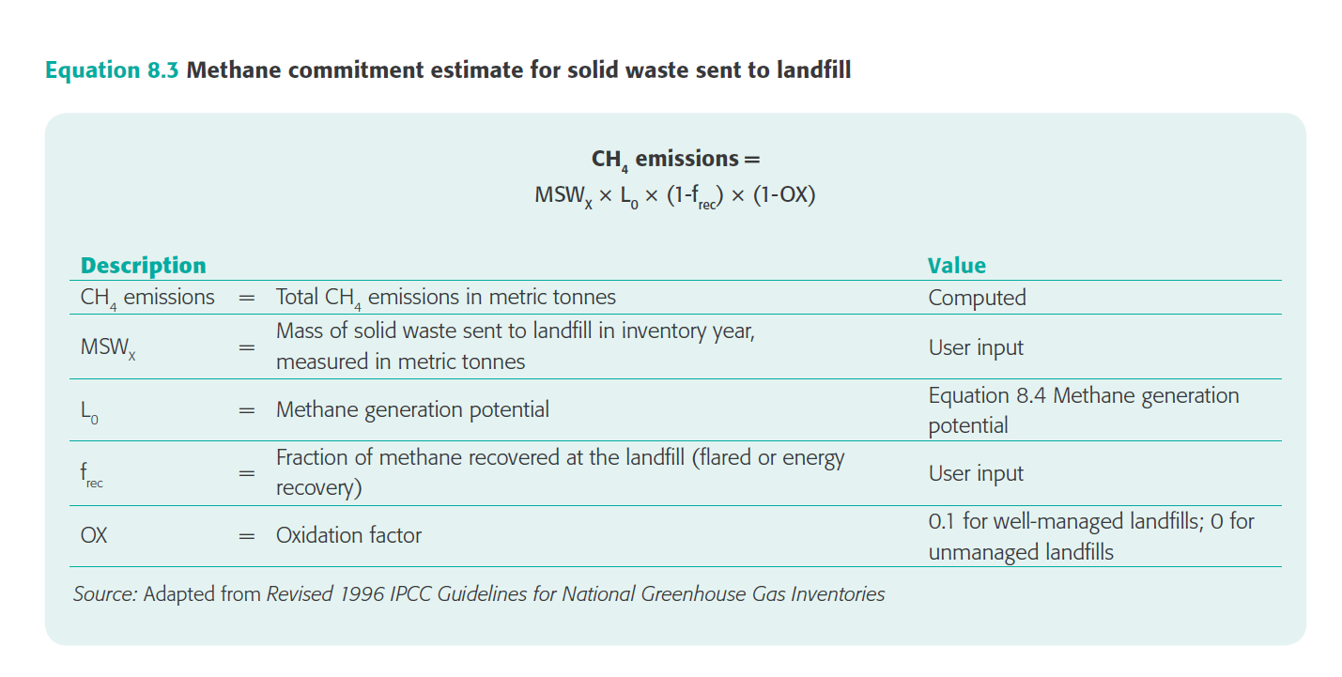

Table 2: Weight of Waste and Organic Waste Collected by Collection Type
Waste Collection Type | Mass of Waste Collected - Excluding Separated Organic Waste (short tons) | Mass of Separated Organic Waste Collected (short tons) | Mass of Waste Collected - Excluding Separated Organic Waste (MT) | Mass of Separated Organic Waste Collected (MT)
Municipally Collected | 0 | 0 | 0 | 0
Private Hauler Collected | 0 | 0 | 0 | 0
Community Total | 0 | 0 | 0 | 0

Table 3: Proportion of Massachusetts In-state Waste Disposed: Landfilled vs. Combusted by Waste Type for 2017
Waste Category | Waste Type | Mass of Waste (short tons) | Percent of Total City/Town Waste Disposed In-state
All Waste Disposed of In-state | All Waste Disposed of In-state | 4,490,000 | 100%
...
Table 4: Weight of Waste Sent to Landfill by Collection Type and Waste Type
Private Hauler Collected | 0 | 0
All Categories | 0 | 0
The table above estimates the amount of waste sent to landfill based on 1) The mass of waste collected (excluding separated organic waste) and 2) The calculated percent of disposed waste sent to landfills.

Table 5: Methane Generation Potential (GPC Equation 8.4) and Degradable Organic Carbon (Equation 8.1)
Description of Variable | Methane Correction Factor | Degradable Organic Carbon (tonnes C/tonnes waste) | Fraction of Degradable Organic Carbon Degraded | Fraction of Methane in Landfill Gas | Stoichiometric Ratio Between Methane and Carbon | Methane Generation Potential
GPC Equation 8.4 Variable Corresponding Letter | MCF | DOC | DOCf | F | 16/12 | Lo
Data | 1.00 | 0.18 | 0.6 | 0.5 | 1.33 | 0.07
In accordance with Equation 8.4: 1) A value of 1.00 was input for Methane Correction Factor (MCF) since landfills waste is sent to are actively managed. 2) A default value of 0.6 was input for Fraction of Degradable Organic Carbon Degraded (DOCf). 3) A default value 0.5 was input for Fraction of Methane in Landfill Gas (F). 4) The default fraction of 16/12 was input for Stoichiometric Ratio Between Methane and Carbon.

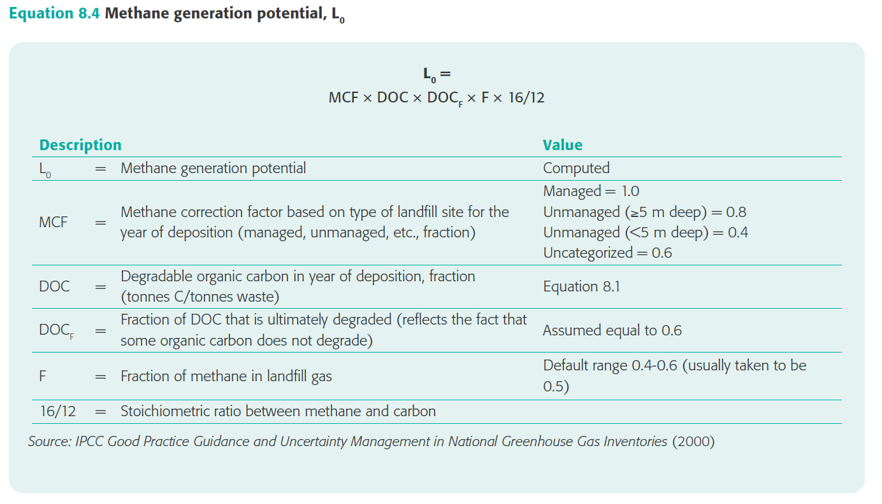 |  | 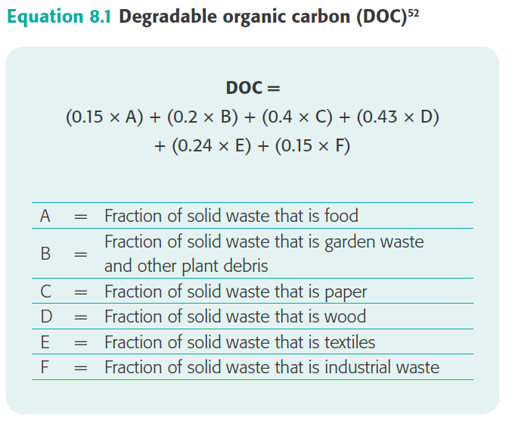
Table 6: Waste Characterization Allocation by GPC Equation 8.1 Categories
Equation 8.1 Waste Category | Equation 8.1 Corresponding Variable | City/Town Data: Percent of Total Disposed Waste in Category | Sate Data: Percent of Total Disposed Waste in Category | Selected Data: Percent of Total Disposed Waste in Category | Equation 8.1 Default Carbon Content Value (tonnes C/tonnes waste)
Food | A | Default to State Data | 26.1% | 26.1% | 0.15
Garden Waste and Plant Debris | B | Default to State Data | 5.3% | 5.3% | 0.20
Paper | C | Default to State Data | 21.7% | 21.7% | 0.40
Wood | D | Default to State Data | 7.6% | 7.6% | 0.43
Textiles | E | Default to State Data | 5.8% | 5.8% | 0.24
Industrial Waste | F | Default to State Data | 0.0% | 0.0% | 0.15
This table assumes default State-level composition of waste unless local data is entered on the "Inputs" tab of this workbook. See Table 7 below for a detailed explanation of how each waste type was allocated to the appropriate GPC waste category.
...

Waste-Biological Treatment
...
 | Table 1. Biologically Treated Waste by Treatment Type
 | 0 | 50% | 50%
 | This table assumes default State-level percent of organic waste sent to compositing facility vs. anaerobic digestion facility unless local data is entered on the "Inputs" tab of this workbook.

 | Table 2. Direct Emissions From Biologically Treated Solid Waste (GPC Equation 8.5)
 | Biological Treatment Type | Mass of Organic Waste Treated (kg/year) | CH4 Emissions Factor (g CH4 / kg waste) | N2O Emissions Factor (g N2O / kg waste) | CH4 Emissions Excluding Methane Capture (MT CH4) | Percent of CH4 Recovered (%) | CH4 Emissions Including Methane Capture (MT CH4) | N2O Emissions (MT N2O)
 | Compositing Facility | 0 | 4 | 0.3 | 0.0 | 0% | 0 | 0.00
 | Anaerobic Digestion Facility | 0 | 1 | 0 | 0.0 | 100% | 0.0 | 0.00
 | Total Biologically Treated Solid Waste: |  |  |  |  |  | 0 | 0
 | In accordance with GPC Equation 8.5: 1) The default biological treatment emission factors from GPC Table 8.3 were used. "Wet waste" emission factors were used for both compositing and anaerobic digestion at biogas facilities. 2) The estimated percent of CH4 recovered at compositing facilities and anerobic digestion facilities. This analysis assumes 0% methane recovery for compositing facilities and 100% methane recovery for anaerobic digestion facilities. |  |  |  | MA DEP Source

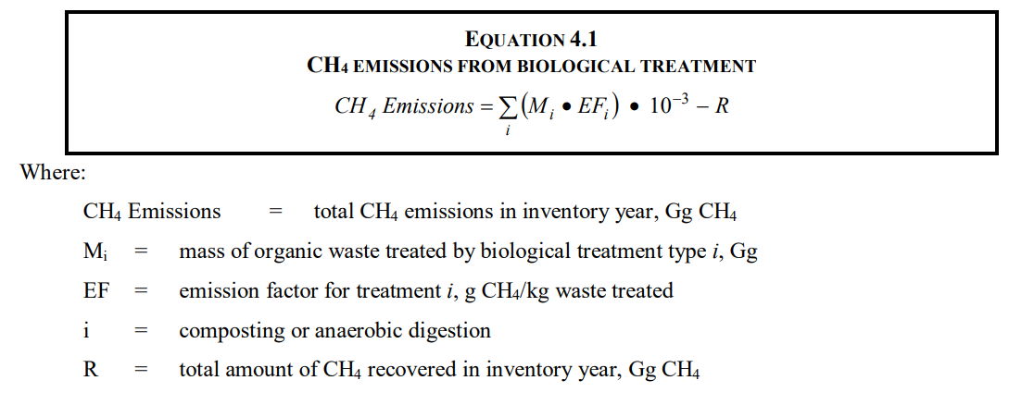
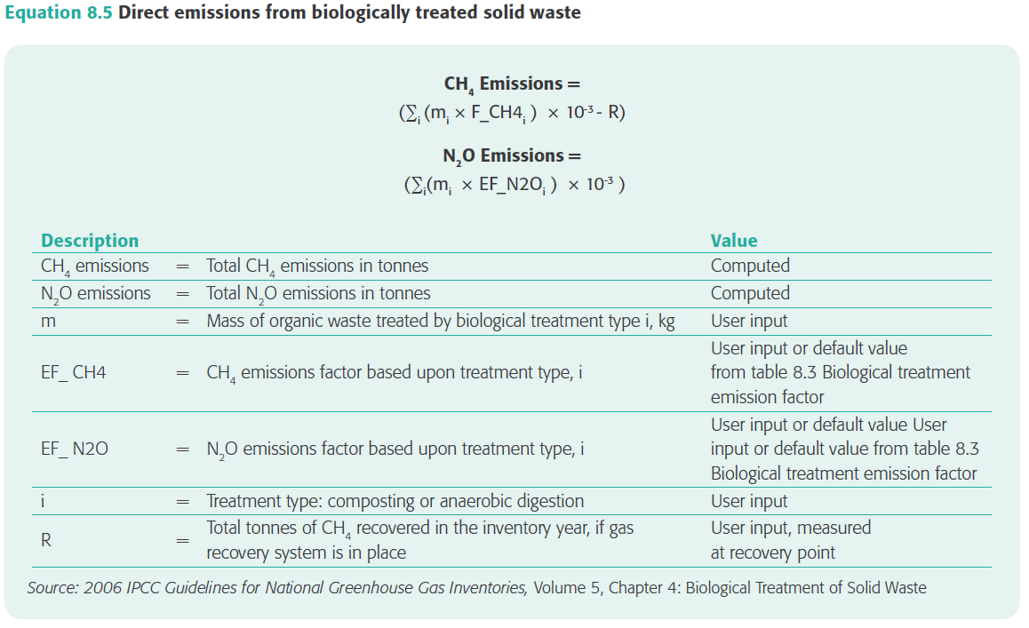

Waste-Incineration
...
Table 3: Non-biogenic CO2 Emissions From Waste Incineration (GPC Equation 8.6)
 | Food Waste |  | 26.1% | 40% | 38% | 0% | 100% | 0.00%
 | Garden Waste and Plant Debris |  | 5.3% | 40% | 49% | 0% | 100% | 0.00%
 | Paper |  | 21.7% | 90% | 46% | 1% | 100% | 0.09%
 | Wood |  | 7.6% | 85% | 50% | 0% | 100% | 0.00%
 | Textiles |  | 5.8% | 80% | 50% | 16% | 100% | 0.37%
 | Industrial Waste |  | 0.0% | 90% | 3% | 3% | 100% | 0.00%
 | All CO2 Incinerated Waste Emissions: |  |  |  |  |  |  | 0.0
In accordance with GPC Equation 8.6: 1) Defaults values for Dry Matter Content (dm) and Fraction of Carbon in the Dry Matter (CF) were pulled from 2006 IPCC Guidelines, Vol. 5, Ch. 2, Table 2.4. 2) Default values for Fraction of Fossil Carbon in the Total Carbon Component (FCF) were pulled from 2006 IPCC Guidelines, Vol. 5, Ch. 2, Table 2.5. |  |  |  |  | 2006 IPCC Guidelines, Vol. 5, Ch. 2
3) Default Values for Oxidation Factor (OF) were pulled from GPC Table 8.4. |  |  |  |  | See GPC Table 8.4

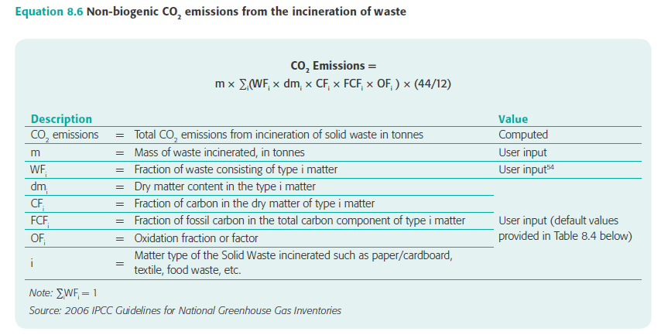 |  |  | 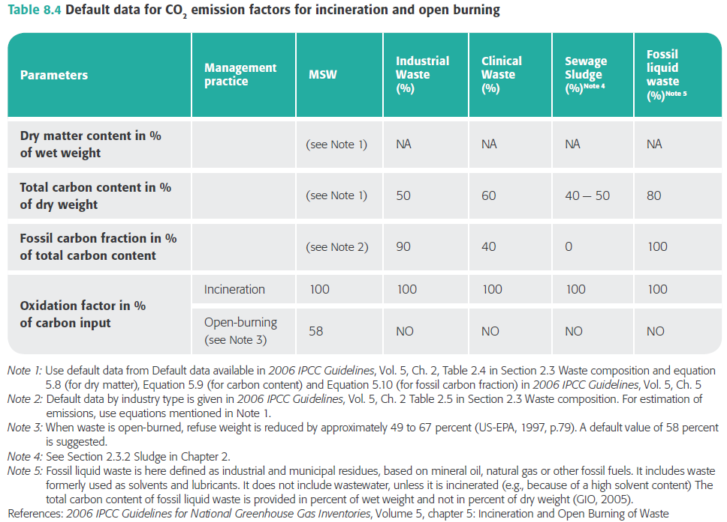

Table 4: CH4 Emissions From Waste Incineration (GPC Equation 8.7)
Description of Variable | Category of Type of Waste Incinerated | Mass of Waste Incinerated (short tons) | Fraction of Waste Consisting of Type i Matter | Amount of Solid Waste of Type i Incinerated (short tons) | Aggregate CH4 Emission Factor (g CH4/ton of waste type i) | CH4 Emissions (MT)
GPC Equation 8.7 Variable Corresponding Letter | i | m | WFi | IW(i) | EF(i)
Data | All Incinerated Waste | 0
 | Food Waste |  | 26.1% | 0 | 0.2 | 0.0000
 | Garden Waste and Plant Debris |  | 5.3% | 0 | 0.2 | 0.0000
 | Paper |  | 21.7% | 0 | 0.2 | 0.0000
 | Wood |  | 7.6% | 0 | 0.2 | 0.0000
 | Textiles |  | 5.8% | 0 | 0.2 | 0.0000
 | Industrial Waste |  | 0.0% | 0 | 0.2 | 0.0000
 | All CH4 Incinerated Waste Emissions: |  |  |  |  | 0.0000
In accordance with GPC equation 8.7 Aggregate CH4 Emission Factor for "Continuous Incineration: Stoker" from GPC Table 8.5 was used. |  |  |  |  | See GPC Table 8.5 | Massachusetts Waste Combustion Overview

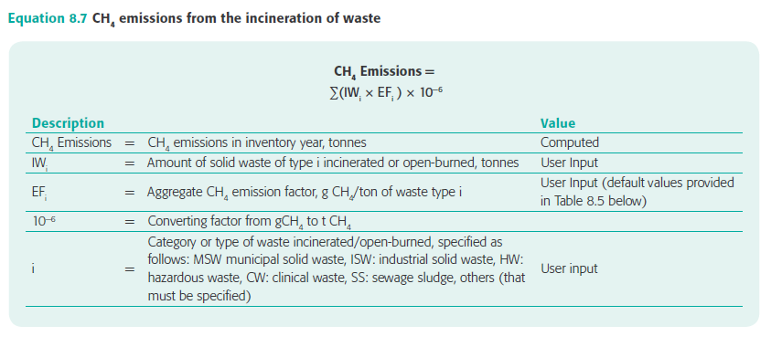 |  |  | 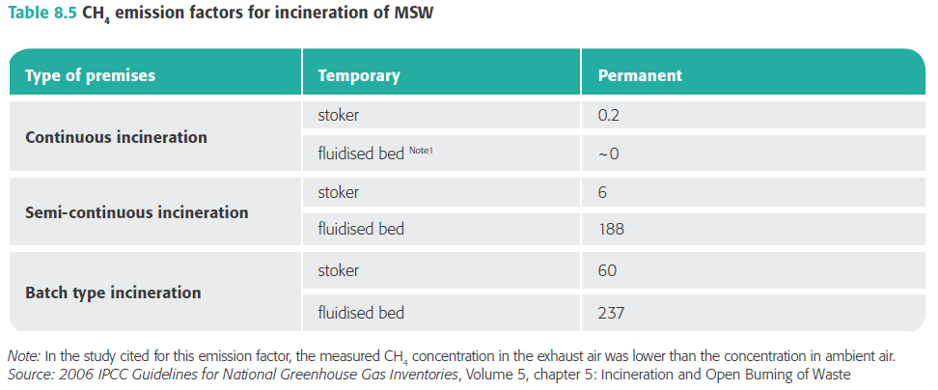

Table 5: N2O Emissions From Waste Incineration (GPC Equation 8.8)
Description of Variable | Category of Type of Waste Incinerated | Mass of Waste Incinerated (short tons) | Fraction of Waste Consisting of Type i Matter | Amount of Solid Waste of Type i Incinerated (short tons) | Aggregate N2O Emission Factor (g N2O/ton of waste type i) | N2O Emissions (MT)
GPC Equation 8.8 Variable Corresponding Letter | i | m | WFi | IW(i) | EF(i)
Data | All Incinerated Waste | 0
 | Food Waste |  | 26.1% | 0 | 50 | 0.0000
 | Garden Waste and Plant Debris |  | 5.3% | 0 | 50 | 0.0000
 | Paper |  | 21.7% | 0 | 50 | 0.0000
 | Wood |  | 7.6% | 0 | 50 | 0.0000
 | Textiles |  | 5.8% | 0 | 50 | 0.0000
 | Industrial Waste |  | 0.0% | 0 | 50 | 0.0000
 | All N2O Incinerated Waste Emissions: |  |  |  |  | 0.0
In accordance with GPC Equation 8.8 Aggregate N2O Emission Factor (EF) for "continuous and semi-continuous incinerators" from GPC Table 8.6 was used. |  |  |  |  | See GPC Table 8.6

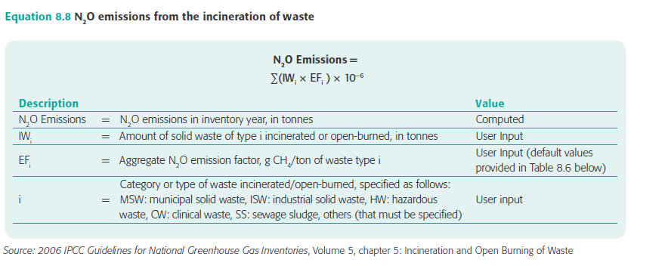 |  |  |  | 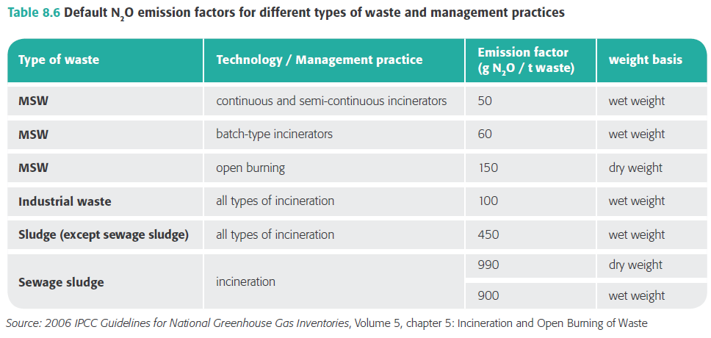

Waste-Wastewater
...
Table 3: Indirect N2O Emissions From Wastewater Effluent (GPC Equation 8.11) for Communities Served by MWRA WWTP
Annual Per Capita Protein Consumption (kg/person/year) | Protein | 34.1
Factor to Adjust for Non-consumed Protein | Fnon-con | 1.40
Fraction of Nitrogen in Protein | Fnpr | 0.16
Factor for Industrial and Commercial Co-discharged Protein into the Sewer System | Find-com | 1.25
Nitrogen Removed from Sludge (kg N/year) | Nsludge | 0
Emission Factor for N2O Emissions from Discharged Wastewater (kg N2O-N per kg N2O) | EFeffluent | 0.005
Conversion of kg N2O-N into kg N2O | 44/28 | 1.57
N2O Emissions (MT N2O): |  | 0.0
In accordance with GPC Equation 8.11: 1) Annual Per Capita Protein Consumption (Protein) for year 2017 from the EPA Inventory of U.S. Greenhouse Gas Emissions and Sinks: 1990 -2017, Table 7-16 was used |  | EPA Inventory of U.S. Greenhouse Gas Emissions and Sinks: 1990-2017
2) A factor to Adjust for Non-consumed Protein (Fnon-con) of 1.4 for countries with garbage disposals was used. 3) A default value of 0.16 for Fraction of Nitrogen in Protein (Fnpr) was used. 4) A default value of 1.25 for Factor for Industrial and Commercial Co-discharged Protein (Find-com) was used. 5) A default value of 0 for Nitrogen Removed from Sludge (Nsludge) was used. 6) A default value of 0.005 for Emission Factor for N2O Emissions from Discharged Wastewater (EFeffluent) was used. |  | See GPC Equation 8.11
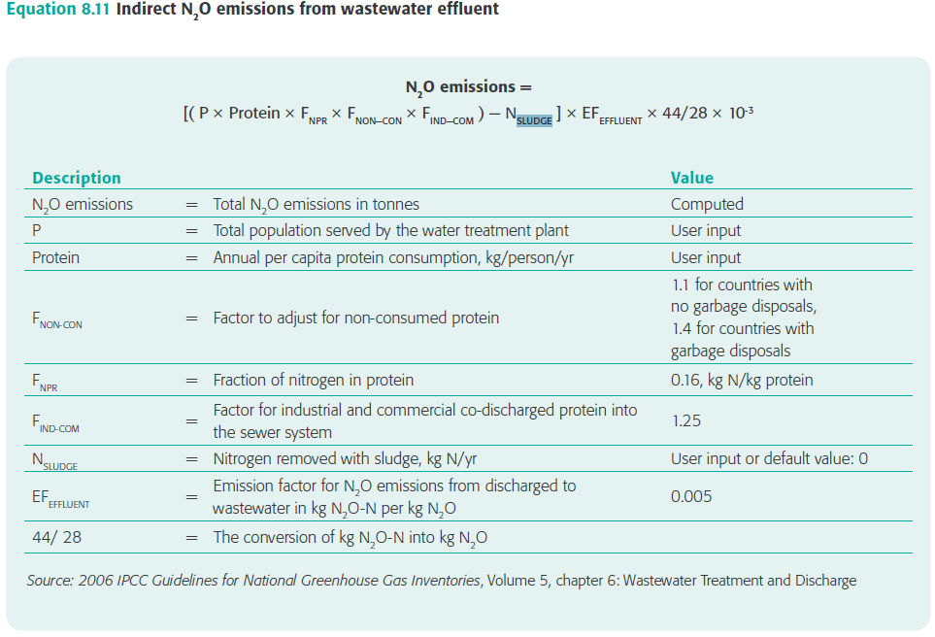

Table 4: Indirect N2O Emissions From Wastewater Effluent and CH4 Generation from Wastewater Treatment for Communities Not Served by MWRA WWTP
Data Description | Data
Massachusetts total methane emissions from municipal wastewater treatment (MMT CO2e / year) | 0.34264
Massachusetts DEP assumed methane GWP | 25
Massachusetts total methane emissions from municipal wastewater treatment (MT CH4 / year) | 13,706
Massachusetts total nitrous oxide emissions from municipal wastewater treatment (MMT CO2e / year) | 0.0919
Massachusetts DEP assumed nitrous oxide GWP | 298
Massachusetts total nitrous oxide emissions from municipal wastewater treatment (MT N2O / year) | 308.45
Massachusetts DEP assumed total state population for methane and nitrous oxide calculations | 4,279,130
Massachusetts per capita methane emissions from municipal wastewater treatment (MT CH4 / year / capita) | 0.003203
...

